Φύλλο1
Mold No. | Mold Pic | style | Product Descriptions |  |  |  |  |  |  |  |  |  |  |  |  |  | pieces | Packing Details
 |  |  | Movt. |  | Watch Case |  |  | Watch Strap |  |  | Mirros |  |  | Button Type | Unit Weight/g | Waterproof |  | Inner Pack | Qty/Carton | Carton Size/cm | Packing Weight/kg
 |  |  | Model | Original | Mat. | Dia. | Thick/mm | Mat. | Length | Width | Mat. | Dia/mm | Thick/mm |  |  |  |  |  |  |  | G.W. | N.W.
6018-4 | 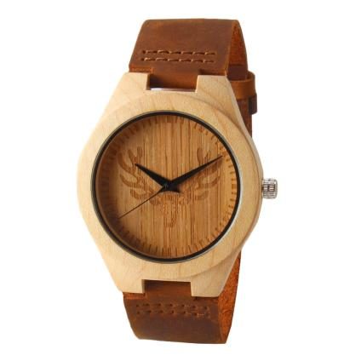 |  | 2035 | Japan | Maple | 45 | 11 | Genuine Leather | 180 | 24 | Mineral Glass |  |  | Steel Buckle | 30 | daily waterproof | 180 | 1pcs/oppbag, 20pcs / inner boxes | 200 | 45*32*32CM | 11KG | 10KG
7006-1 | 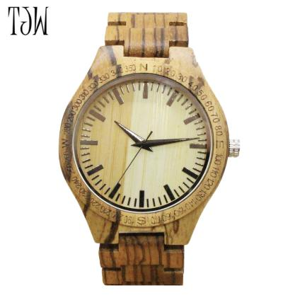 |  | 2035 | Japan | Zebrano | 45 | 11 | Zebrano | 180 | 24 | Mineral Glass |  |  | Steel Buckle | 45g | daily waterproof | 80 | 1pcs/oppbag, 20pcs / inner boxes | 200 | 45*32*32CM | 11KG | 10KG
8026-1 | 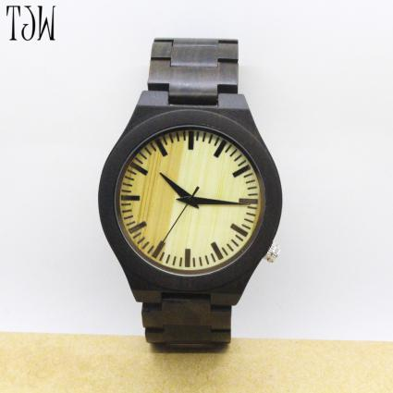 |  | 2035 | Japan | Ebony | 45 | 11 | Ebony | 180 | 24 | Mineral Glass |  |  | Steel Buckle | 45g | daily waterproof | 180 | 1pcs/oppbag, 20pcs / inner boxes | 200 | 45*32*32CM | 11KG | 10KG
8010-1 | 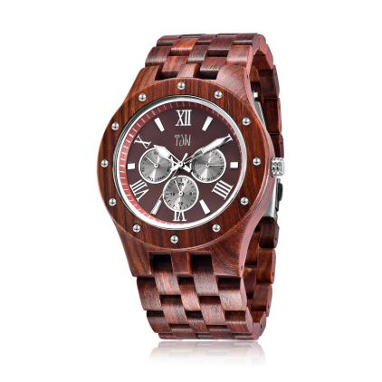 |  | 2035 | Japan | Paorosa | 45 | 11 | Paorosa | 180 | 24 | Mineral Glass |  |  | Steel Buckle | 55 | daily waterproof | 180 | 1pcs/oppbag, 20pcs / inner boxes | 200 | 45*32*32CM | 11KG | 10KG
6011-1 | 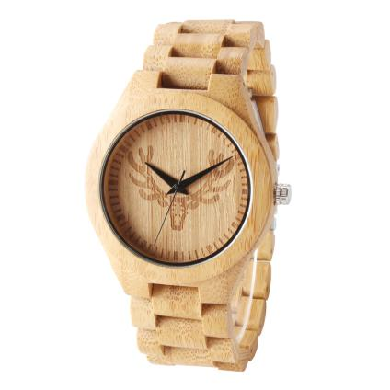 |  | 2035 | Japan | Maple | 45 | 11 | Maple | 180 | 24 | Mineral Glass |  |  | Steel Buckle | 45g | daily waterproof | 80 | 1pcs/oppbag, 20pcs / inner boxes | 200 | 45*32*32CM | 11KG | 10KG
JST-056 | 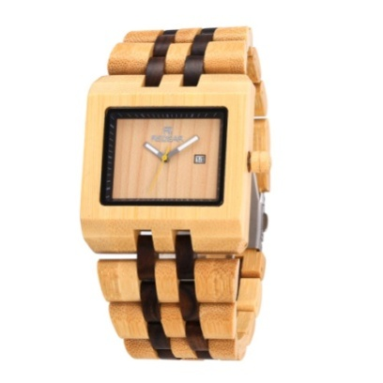 | male & female | 2115 | Japan | Bamboo | 45*48.5 |  | Ebony & Bamboo | 180-235 | 21 | Mineral Glass | 33 | 12 | Spring Buckle | 61 | daily waterproof | 100 | 1pcs/oppbag, 20pcs / inner boxes | 200 | 45*32*32CM | 11KG | 10KG
JST-019 | 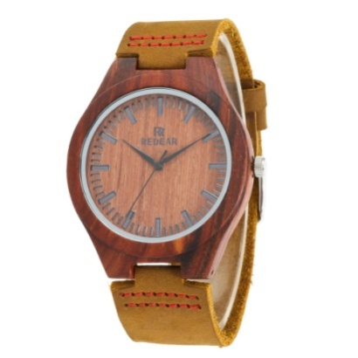 | male & female | 2035 | Japan | Paorosa | 45*54 |  | Genuine Leather | 180-230 | 24 | Mineral Glass | 38 | 11 | Slingshot Buckle | 25 | daily waterproof | 400 | 1pcs/oppbag, 20pcs / inner boxes | 200 | 45*32*32CM | 11KG | 10KG
TOTAL |  |  |  |  |  |  |  |  |  |  |  |  |  |  |  |  | 1200

